True-False
Boolean Logic and Double Unary

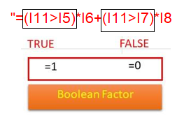
Sales | Item Sold 2019 | Item Sold 2022 | Boolean Logic |  | Bonus scheme:
Johnny | 85 | 113 | TRUE | 1 | If Sales > | 10,000,000
Jack | 100 | 157 | TRUE | 1 | then Bonus: | 2,500,000
Bernard | 74 | 192 | TRUE | 1 | If Sales > | 14,000,000
Arnold | 52 | 196 | TRUE | 1 | Additional Bonus: | 1,000,000
Jill | 19 | 54 | TRUE | 1
Maureen | 157 | 31 | FALSE | 0
Cathy | 120 | 35 | FALSE | 0 | Sales achieved: | 11,000,000
Brittany | 69 | 133 | TRUE | 1 | Bonus achieved? | 2,500,000
Chloe | 148 | 48 | FALSE | 0
Charles | 138 | 71 | FALSE | 0
Bruce | 181 | 107 | FALSE | 0
Andy | 72 | 155 | TRUE | 1
Leo | 154 | 116 | FALSE | 0
Ken | 98 | 200 | TRUE | 1
Ronny | 47 | 196 | TRUE | 1
Dunn | 104 | 130 | TRUE | 1

Jumlah penjualan 2022 lebih besar dari 2019
10 |  |  | 10 | 10

